Sheet1
 |  | Document No. | Issue No. | Issue Date |  |  | Review and Replace Date |  | Authorised By
 |  | GFF264MC | 2 | 26.05.2021 |  |  | 23.12.2021
 |  | Document Title | Thai Green Chicken Curry with Jasmine Rice 400g
 |  |  |  |  |  |  |  |  | Magda Shah
Document amendments reason for change |  | Film Updated |  | Page 1 of 1 |  | Previous Issue Date |  | 26.05.2021 | Uncontrolled copy unless signed original

CCTGJR-R6TCC | DUNNES (CC) |  | Thai Green Chicken Curry with Jasmine Rice 400g | CHILLED
STEP 1 |  |  |  |  | STEP 2
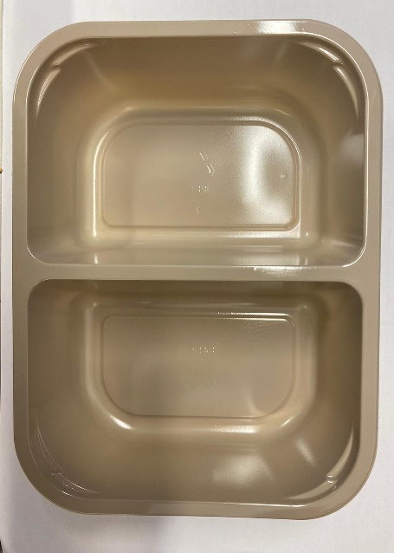 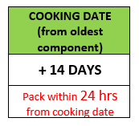 |  |  |  |  | 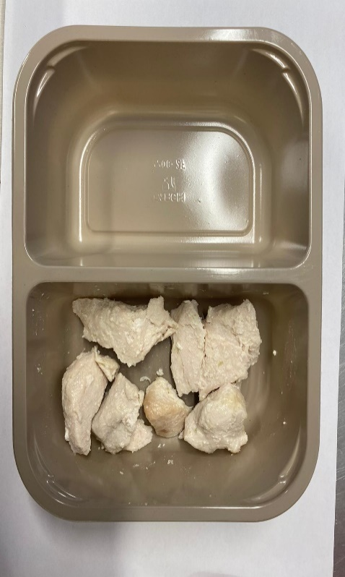

Tray: EVOLVE CPET 2200-2F(PKRHP001-10) |  |  |  |  | British Marinated Chicken 12-14g (GFF164R): 75g (7 - 9 pieces of chicken)

Film: K peel 7G+25A/f- 275mm (275 mmX1000)(PKKMP001-03)

STEP 3 |  |  |  |  | STEP 4
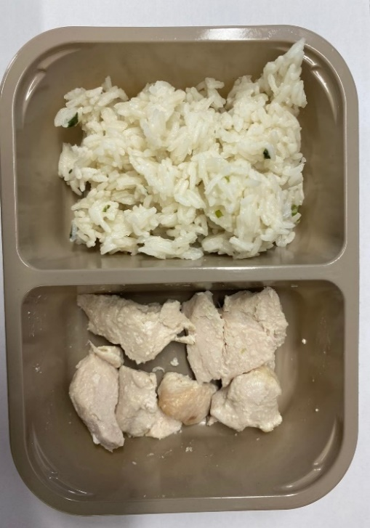 |  |  |  |  | 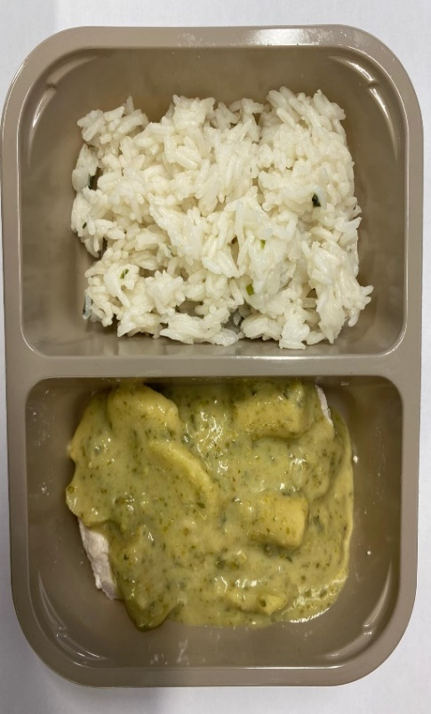

Jasmine Rice( GFF162R): 165g |  |  |  |  | Thai Green Curry Sauce(GFF148R): 160g
 |  |  |  |  | TOTAL WEIGHT: 400G
ALLERGY ALERT: FISH, SESAME

